Dashboard
Monthly Revenue Trends
 | Total
Jan | $35,450
Feb | $44,060
Mar | $28,990
Apr | $33,870
May | $53,150
Jun | $36,715
Jul | $35,465
Aug | $36,960
Sep | $23,620
Oct | $46,580
Nov | $34,920
Dec | $44,690
Jan | $1,530
456000$ | 1000 | $179.89 | 2.51
Total Revenue | Total Customers | Average Unit Price | Average Quantity Per Transaction

Revenue Distribution

Category Performance
 | Sum of revenue | Count of customer_id
electronics | 156905 | 342
clothing | 155580 | 351
beauty | 143515 | 307

Age Group Segmentation
Correlation Heatmap
Revenue
Number Of Customers
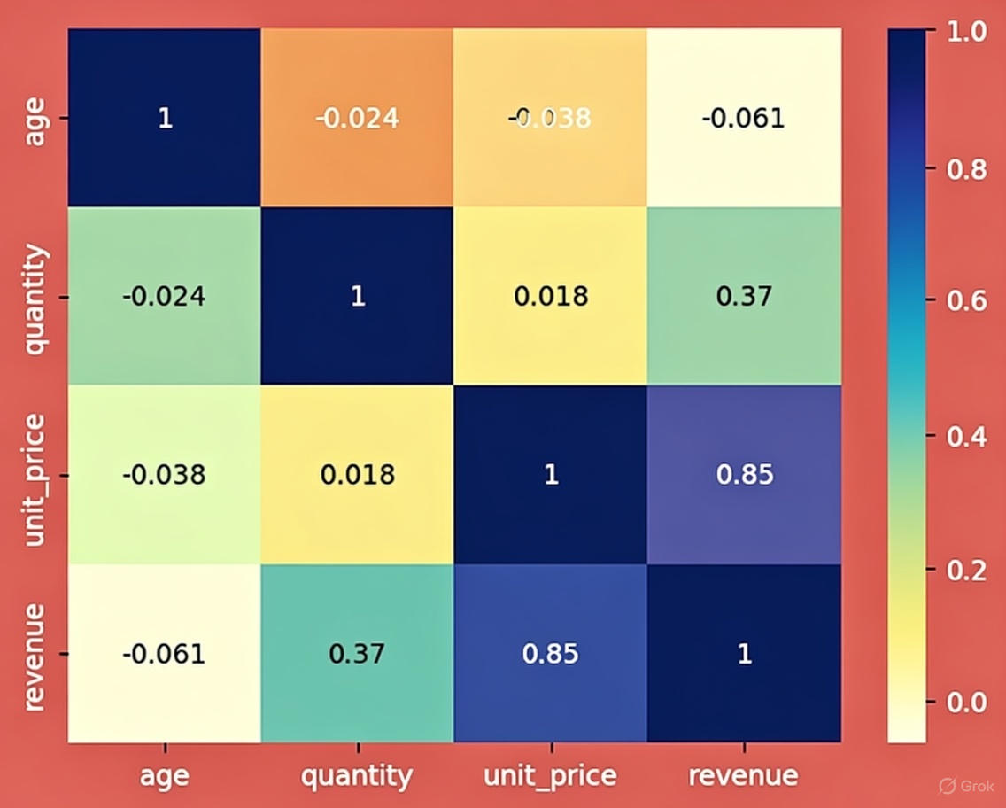
 | Total
18-25 | 84550
26-50 | 238140
Above 50 | 133310
 | Total
18-25 | 169
26-50 | 518
Above 50 | 313

